Dashboard
NIST 800-53 Controls Bar Chart
NIST 800-53 Controls Bar Chart
Family | Low | Medium | High
AC | 11 | 43 | 54
AT | 4 | 5 | 7
AU | 10 | 19 | 31
CA | 7 | 15 | 16
CM | 8 | 26 | 36
CP | 6 | 24 | 35
IA | 15 | 27 | 31
IR | 7 | 13 | 21
MA | 4 | 11 | 14
MP | 4 | 10 | 12
PE | 10 | 20 | 27
PL | 3 | 6 | 6
PS | 8 | 9 | 10
RA | 4 | 10 | 12
SA | 7 | 22 | 26
SC | 10 | 31 | 38
SI | 7 | 28 | 39
Total | 125 | 319 | 415

NIST 800-53 Controls Slope Chart

Tailoring Actions by Control Families - Low Impacted Controls
 | Attest | Document and Assess | Document and Assess (Conditional) | FED | FED, Document and Assess (Conditional) | NSO | NSO, Attest
AC | 2 | 4 |  | 2 |  | 2 | 1
AT | 4
AU | 5 | 3 |  |  |  | 2
CA | 3 | 3 | 2
CM | 3 | 3 |  |  |  | 2
CP | 1 | 1 |  |  |  | 4
IA | 8 | 2 | 3 |  | 1 |  | 1
IR | 6 | 2
MA | 2 |  | 2
MP | 1 |  | 3
PE | 1 |  | 9
PL | 2 | 1
PS | 6 | 1 |  | 1
RA | 1 | 3
SA | 6 | 1
SC | 5 | 2 | 2 |  |  | 1
SI | 3 | 3

 |  |  |  |  |  |  | Count of Tailoring Action | Column Labels
 |  |  |  |  |  |  | Row Labels | Attest | Document and Assess | Document and Assess (Conditional) | FED | FED, Document and Assess (Conditional) | NSO | NSO, Attest | Grand Total
 |  |  |  |  |  |  | AC | 2 | 4 |  | 2 |  | 2 | 1 | 11
 |  |  |  |  |  |  | AT | 4 |  |  |  |  |  |  | 4
 |  |  |  |  |  |  | AU | 5 | 3 |  |  |  | 2 |  | 10
 |  |  |  |  |  |  | CA | 3 | 3 | 2 |  |  |  |  | 8
 |  |  |  |  |  |  | CM | 3 | 3 |  |  |  | 2 |  | 8
 |  |  |  |  |  |  | CP | 1 | 1 |  |  |  | 4 |  | 6
 |  |  |  |  |  |  | IA | 8 | 2 | 3 |  | 1 |  | 1 | 15
 |  |  |  |  |  |  | IR | 6 | 2 |  |  |  |  |  | 8
 |  |  |  |  |  |  | MA | 2 |  | 2 |  |  |  |  | 4
 |  |  |  |  |  |  | MP | 1 |  | 3 |  |  |  |  | 4
 |  |  |  |  |  |  | PE | 1 |  | 9 |  |  |  |  | 10
 |  |  |  |  |  |  | PL | 2 | 1 |  |  |  |  |  | 3
 |  |  |  |  |  |  | PS | 6 | 1 |  | 1 |  |  |  | 8
 |  |  |  |  |  |  | RA | 1 | 3 |  |  |  |  |  | 4
 |  |  |  |  |  |  | SA | 6 | 1 |  |  |  |  |  | 7
 |  |  |  |  |  |  | SC | 5 | 2 | 2 |  |  | 1 |  | 10
 |  |  |  |  |  |  | SI | 3 | 3 |  |  |  |  |  | 6
 |  |  |  |  |  |  | Grand Total | 59 | 29 | 21 | 3 | 1 | 11 | 2 | 126

Control Families by Tailoring Actions - Low Impacted Controls
 | AC | AT | AU | CA | CM | CP | IA | IR | MA | MP | PE | PL
Attest | 2 | 4 | 5 | 3 | 3 | 1 | 8 | 6 | 2 | 1 | 1 | 2
Document and Assess | 4 |  | 3 | 3 | 3 | 1 | 2 | 2 |  |  |  | 1
Document and Assess (Conditional) |  |  |  | 2 |  |  | 3 |  | 2 | 3 | 9
FED | 2
FED, Document and Assess (Conditional) |  |  |  |  |  |  | 1
NSO | 2 |  | 2 |  | 2 | 4
NSO, Attest | 1 |  |  |  |  |  | 1

Waterfall Chart
All NIST 800-53 Controls |  |  |  |  | 906
 |  |  | 763 | 143
FedRAMP Impacted Controls |  |  |  |  | 763
 |  |  | 415 | 348
High Impacted Controls |  |  |  |  | 415
 |  |  | 319 | 96
Medium Impacted Controls |  |  |  |  | 319
 |  |  | 125 | 194
Low Impacted Controls |  |  |  |  | 125

 |  |  | Base | Fall | Rise
All NIST 800-53 Controls |  |  |  |  | 906 | 906
 |  |  | 763 | 143 |  | -143
FedRAMP Impacted Controls |  |  |  |  | 763 | 763
 |  |  | 415 | 348 |  | -348
High Impacted Controls |  |  |  |  | 415 | 415
 |  |  | 319 | 96 |  | -96
Medium Impacted Controls |  |  |  |  | 319 | 319
 |  |  | 125 | 194 |  | -194
Low Impacted Controls |  |  |  |  | 125 | 125

Important Notes
High | Medium
AC-1-0 | AC-1-0 | Notes: For High Baseline, IR-9 (0,1,2,3,4) and SC-6 (0) are no longer in the High Impact Controls. Thus, there are only 415 controls instead of 421. For Low/Medium Baseline, IR-9 (0,1,2,3,4) and SC-6 (0) are no longer in the Low/Medium Impact Controls. Thus, there are only 319 controls instead of 325. There are 763 total controls (main controls & control enhancements) with main contols that have low, medium, and high impact. There are 906 total controls. This number includes main controls that do not have low, medium, or high impact. There are 2 controls (CA-2-1 & IR-9-0)that are listed in the LI-SaaS Baseline tab but not part of the FedRAMP Low Baseline. Also, SI-2-3 is part of the FedRAMP Low Baseline but not part of the LI-SaaS Baseline. Websites https://nvlpubs.nist.gov/nistpubs/SpecialPublications/NIST.SP.800-53r4.pdf https://nvd.nist.gov/800-53
AC-2-0 | AC-2-0
AC-2-1 | AC-2-1
AC-2-2 | AC-2-2
AC-2-3 | AC-2-3
AC-2-4 | AC-2-4
AC-2-5 | AC-2-5
AC-2-7 | AC-2-7
AC-2-9 | AC-2-9
AC-2-10 | AC-2-10
AC-2-11 | AC-2-12
AC-2-12 | AC-3-0
AC-2-13 | AC-4-0
AC-3-0 | AC-4-21
AC-4-0 | AC-5-0
AC-4-8 | AC-6-0
AC-4-21 | AC-6-1
AC-5-0 | AC-6-2
AC-6-0 | AC-6-5
AC-6-1 | AC-6-9
AC-6-2 | AC-6-10
AC-6-3 | AC-7-0
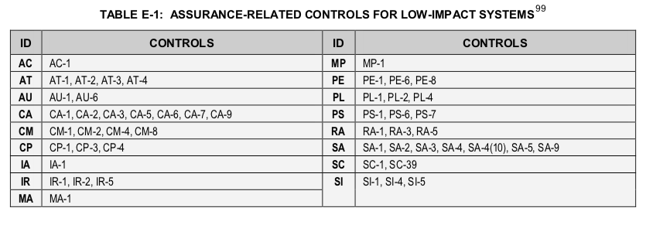
AC-6-5 | AC-8-0
AC-6-7 | AC-10-0
AC-6-8 | AC-11-0
AC-6-9 | AC-11-1
AC-6-10 | AC-12-0
AC-7-0 | AC-14-0
AC-7-2 | AC-17-0
AC-8-0 | AC-17-1
AC-10-0 | AC-17-2
AC-11-0 | AC-17-3
AC-11-1 | AC-17-4
AC-12-0 | AC-17-9
AC-12-1 | AC-18-0
AC-14-0 | AC-18-1
AC-17-0 | AC-19-0
AC-17-1 | AC-19-5
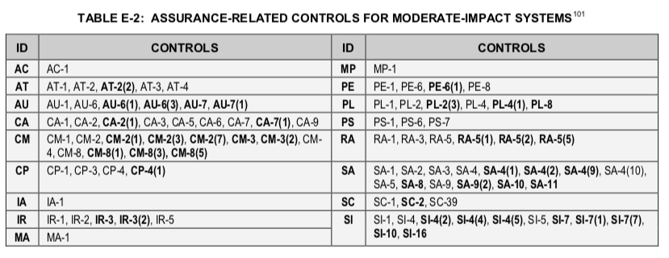
AC-17-2 | AC-20-0
AC-17-3 | AC-20-1
AC-17-4 | AC-20-2
AC-17-9 | AC-21-0
AC-18-0 | AC-22-0
AC-18-1 | AT-1-0
AC-18-3 | AT-2-0
AC-18-4 | AT-2-2
AC-18-5 | AT-3-0
AC-19-0 | AT-4-0
AC-19-5 | AU-1-0
AC-20-0 | AU-2-0
AC-20-1 | AU-2-3
AC-20-2 | AU-3-0
AC-21-0 | AU-3-1
AC-22-0 | AU-4-0
AT-1-0 | AU-5-0
AT-2-0 | AU-6-0
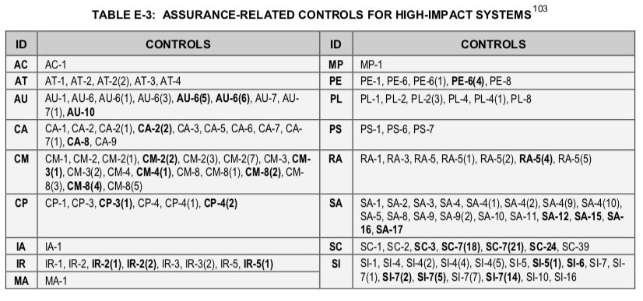
AT-2-2 | AU-6-1
AT-3-0 | AU-6-3
AT-3-3 | AU-7-0
AT-3-4 | AU-7-1
AT-4-0 | AU-8-0
AU-1-0 | AU-8-1
AU-2-0 | AU-9-0
AU-2-3 | AU-9-2
AU-3-0 | AU-9-4
AU-3-1 | AU-11-0
AU-3-2 | AU-12-0
AU-4-0 | CA-1-0
AU-5-0 | CA-2-0
AU-5-1 | CA-2-1
AU-5-2 | CA-2-2
AU-6-0 | CA-2-3
AU-6-1 | CA-3-0
AU-6-3 | CA-3-3
AU-6-4 | CA-3-5
AU-6-5 | CA-5-0
AU-6-6 | CA-6-0
AU-6-7 | CA-7-0
AU-6-10 | CA-7-1
AU-7-0 | CA-8-0
AU-7-1 | CA-8-1
AU-8-0 | CA-9-0
AU-8-1 | CM-1-0
AU-9-0 | CM-2-0
AU-9-2 | CM-2-1
AU-9-3 | CM-2-2
AU-9-4 | CM-2-3
AU-10-0 | CM-2-7
AU-11-0 | CM-3-0
AU-12-0 | CM-4-0
AU-12-1 | CM-5-0
AU-12-3 | CM-5-1
CA-1-0 | CM-5-3
CA-2-0 | CM-5-5
CA-2-1 | CM-6-0
CA-2-2 | CM-6-1
CA-2-3 | CM-7-0
CA-3-0 | CM-7-1
CA-3-3 | CM-7-2
CA-3-5 | CM-7-5
CA-5-0 | CM-8-0
CA-6-0 | CM-8-1
CA-7-0 | CM-8-3
CA-7-1 | CM-8-5
CA-7-3 | CM-9-0
CA-8-0 | CM-10-0
CA-8-1 | CM-10-1
CA-9-0 | CM-11-0
CM-1-0 | CP-1-0
CM-2-0 | CP-2-0
CM-2-1 | CP-2-1
CM-2-2 | CP-2-2
CM-2-3 | CP-2-3
CM-2-7 | CP-2-8
CM-3-0 | CP-3-0
CM-3-1 | CP-4-0
CM-3-2 | CP-4-1
CM-3-4 | CP-6-0
CM-3-6 | CP-6-1
CM-4-0 | CP-6-3
CM-4-1 | CP-7-0
CM-5-0 | CP-7-1
CM-5-1 | CP-7-2
CM-5-2 | CP-7-3
CM-5-3 | CP-8-0
CM-5-5 | CP-8-1
CM-6-0 | CP-8-2
CM-6-1 | CP-9-0
CM-6-2 | CP-9-1
CM-7-0 | CP-9-3
CM-7-1 | CP-10-0
CM-7-2 | CP-10-2
CM-7-5 | IA-1-0
CM-8-0 | IA-2-0
CM-8-1 | IA-2-1
CM-8-2 | IA-2-2
CM-8-3 | IA-2-3
CM-8-4 | IA-2-5
CM-8-5 | IA-2-8
CM-9-0 | IA-2-11
CM-10-0 | IA-2-12
CM-10-1 | IA-3-0
CM-11-0 | IA-4-0
CM-11-1 | IA-4-4
CP-1-0 | IA-5-0
CP-2-0 | IA-5-1
CP-2-1 | IA-5-2
CP-2-2 | IA-5-3
CP-2-3 | IA-5-4
CP-2-4 | IA-5-6
CP-2-5 | IA-5-7
CP-2-8 | IA-5-11
CP-3-0 | IA-6-0
CP-3-1 | IA-7-0
CP-4-0 | IA-8-0
CP-4-1 | IA-8-1
CP-4-2 | IA-8-2
CP-6-0 | IA-8-3
CP-6-1 | IA-8-4
CP-6-2 | IR-1-0
CP-6-3 | IR-2-0
CP-7-0 | IR-3-0
CP-7-1 | IR-3-2
CP-7-2 | IR-4-0
CP-7-3 | IR-4-1
CP-7-4 | IR-5-0
CP-8-0 | IR-6-0
CP-8-1 | IR-6-1
CP-8-2 | IR-7-0
CP-8-3 | IR-7-1
CP-8-4 | IR-7-2
CP-9-0 | IR-8-0
CP-9-1 | IR-9-0
CP-9-2 | IR-9-1
CP-9-3 | IR-9-2
CP-9-5 | IR-9-3
CP-10-0 | IR-9-4
CP-10-2 | MA-1-0
CP-10-4 | MA-2-0
IA-1-0 | MA-3-0
IA-2-0 | MA-3-1
IA-2-1 | MA-3-2
IA-2-2 | MA-3-3
IA-2-3 | MA-4-0
IA-2-4 | MA-4-2
IA-2-5 | MA-5-0
IA-2-8 | MA-5-1
IA-2-9 | MA-6-0
IA-2-11 | MP-1-0
IA-2-12 | MP-2-0
IA-3-0 | MP-3-0
IA-4-0 | MP-4-0
IA-4-4 | MP-5-0
IA-5-0 | MP-5-4
IA-5-1 | MP-6-0
IA-5-2 | MP-6-2
IA-5-3 | MP-7-0
IA-5-4 | MP-7-1
IA-5-6 | PE-1-0
IA-5-7 | PE-2-0
IA-5-8 | PE-3-0
IA-5-11 | PE-4-0
IA-5-13 | PE-5-0
IA-6-0 | PE-6-0
IA-7-0 | PE-6-1
IA-8-0 | PE-8-0
IA-8-1 | PE-9-0
IA-8-2 | PE-10-0
IA-8-3 | PE-11-0
IA-8-4 | PE-12-0
IR-1-0 | PE-13-0
IR-2-0 | PE-13-2
IR-2-1 | PE-13-3
IR-2-2 | PE-14-0
IR-3-0 | PE-14-2
IR-3-2 | PE-15-0
IR-4-0 | PE-16-0
IR-4-1 | PE-17-0
IR-4-2 | PL-1-0
IR-4-3 | PL-2-0
IR-4-4 | PL-2-3
IR-4-6 | PL-4-0
IR-4-8 | PL-4-1
IR-5-0 | PL-8-0
IR-5-1 | PS-1-0
IR-6-0 | PS-2-0
IR-6-1 | PS-3-0
IR-7-0 | PS-3-3
IR-7-1 | PS-4-0
IR-7-2 | PS-5-0
IR-8-0 | PS-6-0
IR-9-0 | PS-7-0
IR-9-1 | PS-8-0
IR-9-2 | RA-1-0
IR-9-3 | RA-2-0
IR-9-4 | RA-3-0
MA-1-0 | RA-5-0
MA-2-0 | RA-5-1
MA-2-2 | RA-5-2
MA-3-0 | RA-5-3
MA-3-1 | RA-5-5
MA-3-2 | RA-5-6
MA-3-3 | RA-5-8
MA-4-0 | SA-1-0
MA-4-2 | SA-2-0
MA-4-3 | SA-3-0
MA-4-6 | SA-4-0
MA-5-0 | SA-4-1
MA-5-1 | SA-4-2
MA-6-0 | SA-4-8
MP-1-0 | SA-4-9
MP-2-0 | SA-4-10
MP-3-0 | SA-5-0
MP-4-0 | SA-8-0
MP-5-0 | SA-9-0
MP-5-4 | SA-9-1
MP-6-0 | SA-9-2
MP-6-1 | SA-9-4
MP-6-2 | SA-9-5
MP-6-3 | SA-10-0
MP-7-0 | SA-10-1
MP-7-1 | SA-11-0
PE-1-0 | SA-11-1
PE-2-0 | SA-11-2
PE-3-0 | SA-11-8
PE-3-1 | SC-1-0
PE-4-0 | SC-2-0
PE-5-0 | SC-4-0
PE-6-0 | SC-5-0
PE-6-1 | SC-6-0
PE-6-4 | SC-7-0
PE-8-0 | SC-7-3
PE-8-1 | SC-7-4
PE-9-0 | SC-7-5
PE-10-0 | SC-7-7
PE-11-0 | SC-7-8
PE-11-1 | SC-7-12
PE-12-0 | SC-7-13
PE-13-0 | SC-7-18
PE-13-1 | SC-8-0
PE-13-2 | SC-8-1
PE-13-3 | SC-10-0
PE-14-0 | SC-12-0
PE-14-2 | SC-12-2
PE-15-0 | SC-12-3
PE-15-1 | SC-13-0
PE-16-0 | SC-15-0
PE-17-0 | SC-17-0
PE-18-0 | SC-18-0
PL-1-0 | SC-19-0
PL-2-0 | SC-20-0
PL-2-3 | SC-21-0
PL-4-0 | SC-22-0
PL-4-1 | SC-23-0
PL-8-0 | SC-28-0
PS-1-0 | SC-28-1
PS-2-0 | SC-39-0
PS-3-0 | SI-1-0
PS-3-3 | SI-2-0
PS-4-0 | SI-2-2
PS-4-2 | SI-2-3
PS-5-0 | SI-3-0
PS-6-0 | SI-3-1
PS-7-0 | SI-3-2
PS-8-0 | SI-3-7
RA-1-0 | SI-4-0
RA-2-0 | SI-4-1
RA-3-0 | SI-4-2
RA-5-0 | SI-4-4
RA-5-1 | SI-4-5
RA-5-2 | SI-4-14
RA-5-3 | SI-4-16
RA-5-4 | SI-4-23
RA-5-5 | SI-5-0
RA-5-6 | SI-6-0
RA-5-8 | SI-7-0
RA-5-10 | SI-7-1
SA-1-0 | SI-7-7
SA-2-0 | SI-8-0
SA-3-0 | SI-8-1
SA-4-0 | SI-8-2
SA-4-1 | SI-10-0
SA-4-2 | SI-11-0
SA-4-8 | SI-12-0
SA-4-9 | SI-16-0
SA-4-10
SA-5-0
SA-8-0
SA-9-0
SA-9-1
SA-9-2
SA-9-4
SA-9-5
SA-10-0
SA-10-1
SA-11-0
SA-11-1
SA-11-2
SA-11-8
SA-12-0
SA-15-0
SA-16-0
SA-17-0
SC-1-0
SC-2-0
SC-3-0
SC-4-0
SC-5-0
SC-6-0
SC-7-0
SC-7-3
SC-7-4
SC-7-5
SC-7-7
SC-7-8
SC-7-10
SC-7-12
SC-7-13
SC-7-18
SC-7-20
SC-7-21
SC-8-0
SC-8-1
SC-10-0
SC-12-0
SC-12-1
SC-12-2
SC-12-3
SC-13-0
SC-15-0
SC-17-0
SC-18-0
SC-19-0
SC-20-0
SC-21-0
SC-22-0
SC-23-0
SC-23-1
SC-24-0
SC-28-0
SC-28-1
SC-39-0
SI-1-0
SI-2-0
SI-2-1
SI-2-2
SI-2-3
SI-3-0
SI-3-1
SI-3-2
SI-3-7
SI-4-0
SI-4-1
SI-4-2
SI-4-4
SI-4-5
SI-4-11
SI-4-14
SI-4-16
SI-4-18
SI-4-19
SI-4-20
SI-4-22
SI-4-23
SI-4-24
SI-5-0
SI-5-1
SI-6-0
SI-7-0
SI-7-1
SI-7-2
SI-7-5
SI-7-7
SI-7-14
SI-8-0
SI-8-1
SI-8-2
SI-10-0
SI-11-0
SI-12-0
SI-16-0

